Citibike Data Profile
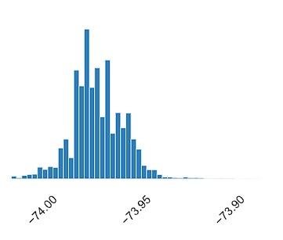
Data set Profile
name | Citibike_West Central Park_December2023
size | 4,814 KB
number of records | 24,941
frequency of updates | Monthly
Number of fields | 13
Extraction methods | Downloadable CSV

Data Dictionary |  |  |  | Field Level
Column Name | Column Description | Expected/Allowed Values | Additional Notes | Null Rate | Number of unique values | Most Populous Column | Count | Mean | Standard Deviation
ride_id | A unique identifier for each ride. |  |  | 0 | 24941 |  | 24941
rideable_type | Type of rideable vehicle (e.g., bike, scooter). | classic_bike electric_bike |  | 0 | 2 | classic_bike | 23779
started_at | Timestamp indicating when the ride started. | YYYY-MM-DD HH:MM:SS | Join using date and hour | 0 | 24650
ended_at | Timestamp indicating when the ride ended. | YYYY-MM-DD HH:MM:SS |  | 0 | 24691
start_station_name | Name of the station where the ride started. | Central Park West & W 68 St Central Park West & W 72 St Central Park W & W 91 St Central Park West & W 85 St W 82 St & Central Park West Central Park West & W 76 St W 106 St & Central Park West Central Park W & W 97 St Central Park W & W 103 St | Central Park West Stations | 0 | 9 | Central Park West & W 68 St | 4267
start_station_id | Unique identifier for the station where the ride started. | Unique identifiers for each start station. |  | 0 | 9 | 7079.06 | 4267
end_station_name | Name of the station where the ride ended. | Names of stations where the ride ended |  | 0 | 713
end_station_id | Unique identifier for the station where the ride ended. | Unique identifiers for each end station. |  | 0.003 | 710 | 7141.07 | 822
start_lat | Latitude coordinate of the starting location. | Numeric values representing latitude coordinates. |  | 0 | 11507 |  |  | 40.7836 | 0.0088
start_lng | Longitude coordinate of the starting location. | Numeric values representing longitude coordinates |  | 0 | 11547 |  |  | -73.9705 | 0.0061
end_lat | Latitude coordinate of the ending location. | Numeric values representing latitude coordinates. |  | 0 | 723 |  |  | 40.7763 | 0.0187
end_lng | Longitude coordinate of the ending location. | Numeric values representing longitude coordinates. |  | 0 | 724 |  |  | -73.9706 | 0.0140
member_casual | Indicates whether the rider is a member or a casual user. | Member Casual |  | 0 | 2 | Member

Visualization

 |  |  |  |  | started_at |  |  |  | ended_at
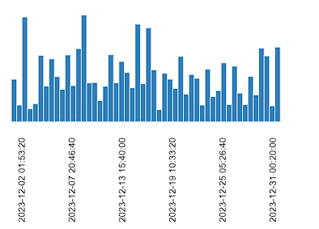
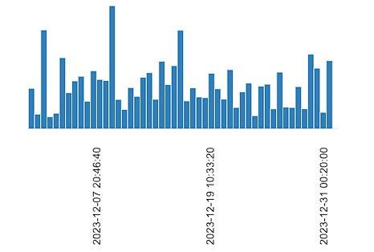
 | ride_id | rideable_type


 | start_station_name |  |  | start_station_id |  |  |  |  | end_station_name
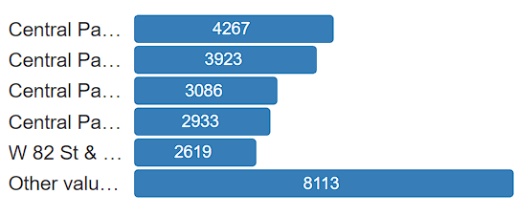
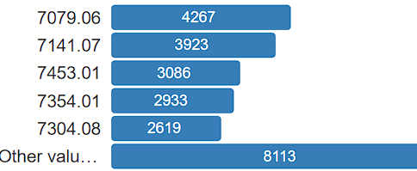
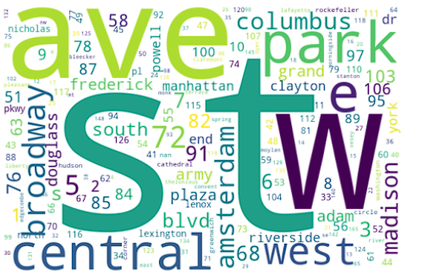

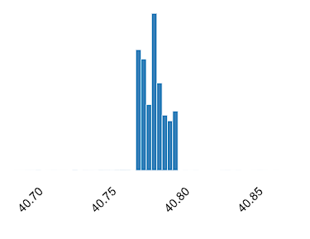
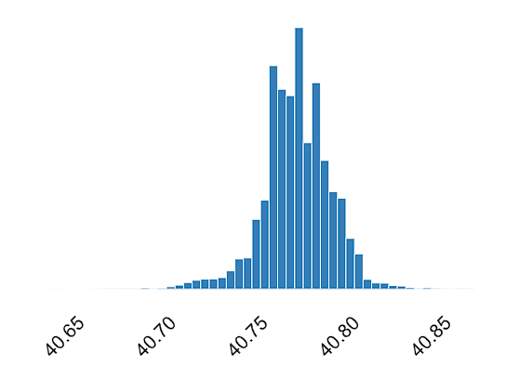
 | end_station_id | start_lat |  |  |  |  |  |  |  | end_lat
 |  |  |  |  | start_lng
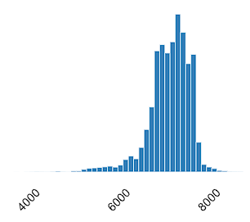
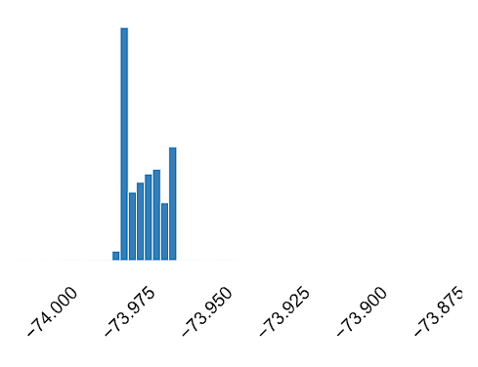

 | end_lng
 |  | member_casual

Weather Data Profile
Data set Profile
name | Weather_NYC_ December2023
size | 135 KB
number of records | 744
frequency of updates | Hourly
Number of fields | 24
Extraction methods | API

Data Dictionary |  |  |  | Field Level
Column Name | Column Description | Expected/Allowed Values | Additional Notes | Null Rate | Number of unique values | Most Populous Column | Count | Mean | Standard Deviation
Name | An index or identifier for the data entries | Numeric values representing the index or identifier. |  | 0 | 1 | New York City | 744
Datetime | Date and time of the weather observation. | YYYY-MM-DD HH:MM:SS | Join using Date and Hour | 0 | 744
Temp | Current temperature recorded during the weather observation. | Numeric values representing temperature in degrees Celsius. |  | 0 | 83 |  |  | 7.0309 | 3.3799
Feelslike | Represents the perceived temperature during the weather observation | Numeric values representing temperature in degrees Celsius. | Delete Column. Not required | 0 | 143 |  |  | 5.3284 | 4.2603
Dew | Represents the dew point temperature during the weather observation. | Numeric values representing temperature in degrees Celsius. | Delete Column. Not required | 0 | 133 |  |  | 1.4446 | 5.7409
Humidity | Represents the humidity level during the weather observation | Numeric values representing humidity percentage. | Delete Column. Not required | 0 | 647 |  |  | 69.4046 | 16.9657
Precip | Represents the amount of precipitation during the weather observation. | Numeric values representing the amount of precipitation (in mm). | Delete Column. Not required | 0 | 66 |  |  | 0.0129 | 0.0612
Precipprob | Represents the probability of precipitation during the weather observation. | Categorical values indicating the probability of precipitation | Delete Column. Not required | 0 | 2 | 0 | 650
Preciptype | Represents the type of precipitation during the weather observation. | Categorical values indicating the type of precipitation. | Delete Column. Not required | 87.4 | 1 | rain | 94
Snow | Indicates whether snowfall occurred during the weather observation. | Boolean values indicating the presence or absence of snowfall. | Delete Column. Not required | 0 | 1 | 0 | 744
Snowdepth | Represents the depth of snow on the ground during the weather observation. | Numeric values indicating the depth of snow. | Delete Column. Not required | 0 | 1 |  |  | 0.0000 | 0.0000
Windgust | Represents the maximum wind gust speed during the weather observation. | Numeric Values representing wind gust (in kph) | Delete Column. Not required | 0 | 126 |  |  | 26.1860 | 16.1943
Windspeed | Represents the wind speed during the weather observation. | Numeric Values representing wind speed (in kph) | Delete Column. Not required | 0 | 174 |  |  | 10.8983 | 6.4267
Winddir | Represents the wind direction during the weather observation. | Numbers representing wind direction in degrees. | Delete Column. Not required | 0 | 186 |  |  | 187.6519 | 117.1940
sealevelpressure | Represents the sea-level atmospheric pressure during the weather observation. | Numeric Values representing atmospheric pressure (in mb) | Delete Column. Not required | 0 | 291 |  |  | 1019.9276 | 10.8051
Cloudcover | Represents the percentage of cloud cover during the weather observation. | Numeric Values representing the percentage of cloud cover | Delete Column. Not required | 0 | 75 |  |  | 54.7527 | 46.4708
Visibility | Represents the visibility distance during the weather observation. | Numeric Values representing visibility distance (km). | Delete Column. Not required | 0 | 58 |  |  | 14.5397 | 3.1205
Solarradiation | Represents the solar radiation intensity during the weather observation. | Numeric Values representing solar radiation intensity (W/m²). | Delete Column. Not required | 0 | 170 |  |  | 62.2554 | 124.3014
Solarenergy | Represents the amount of solar energy generated during the weather observation. | Numeric Values representing amount of solar energy generated (kWh) | Delete Column. Not required | 0 | 22 |  |  | 0.2243 | 0.4476
Uvindex | Represents the UV index during the weather observation. | Numeric Values representing the UV index. | Delete Column. Not required | 0 | 7 |  |  | 0.6102 | 1.2661
Severerisk | Indicates the severity risk level during the weather observation | Categorical values representing the severity risk level. | Delete Column. Not required | 0 | 2 | 10 | 742
Conditions | Categorical variable representing weather conditions. | Clear, Overcast, Partially cloudy, Rain, Rain, Overcast. | Delete Column. Not required | 0 | 6 | clear | 292
Icon | Categorical variable representing different weather icons | cloudy, clear-night, clear-day, rain, partly-cloudy-night |  | 0 | 6 | cloudy | 247
Stations | Categorical variable representing different weather stations. | Unique station identifiers | Delete Column. Not required | 0 | 7 | 72505394728,72055399999,KLGA,KJRB,F1417,KNYC,72503014732 | 696

Visualization

 | Numeric

Temp |  | Feelslike |  | Dew |  |  | Humidity |  |  | precip |  | Precipprob

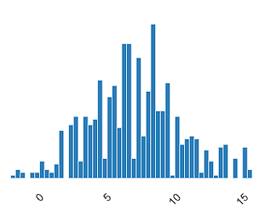
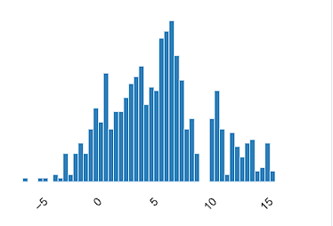
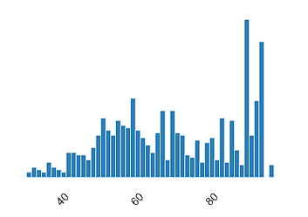
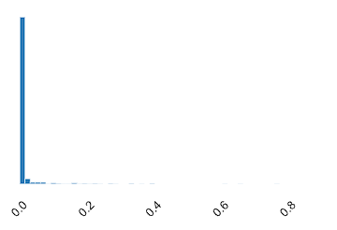
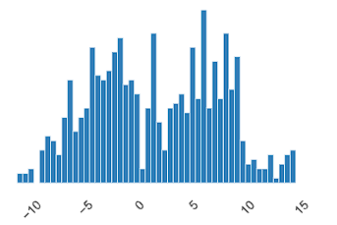

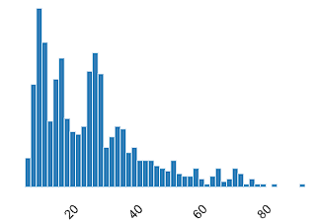
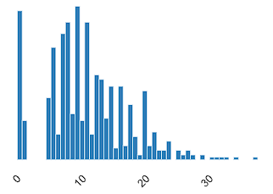
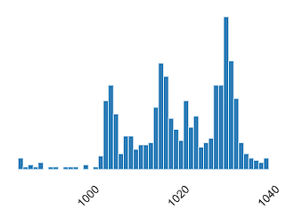
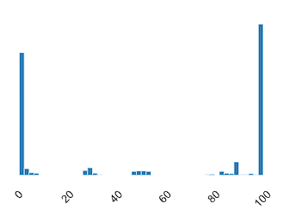
 |  |  |  |  |  |  |  |  |  |  |  |  | Visibility
 |  |  |  |  |  | Windgust |  |  | Windspeed |  | Sealevelpressure | Cloudcover
Snow |  | Snowdepth
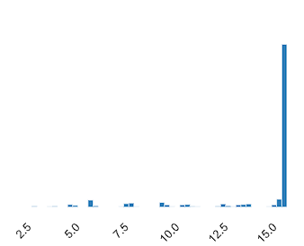

Solarradiation |  | Solarenergy |  | Uvindex
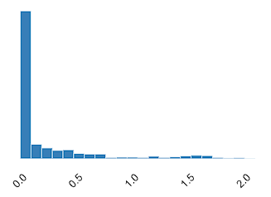
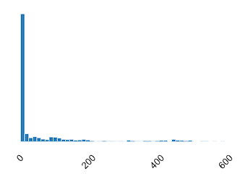
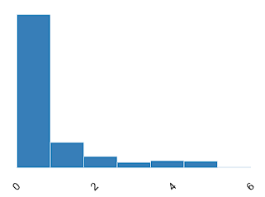

 |  |  | Categorical

Name

 |  |  | Preciptype |  |  |  |  | Windir |  | stations
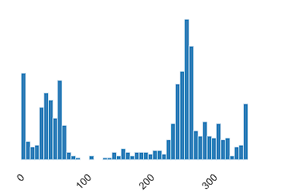
DateTime
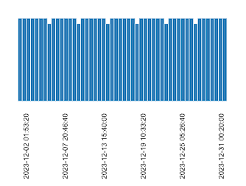

 |  |  |  |  |  |  |  | icon
Severerisk |  |  | Conditions

